Worksheet
 |  |  |  |  |  |  |  |  |  | 6,820,804.00 € | 5542
IMAGE | SKU | BRAND | PRODUCT | GROUP | SEASON | GENDER | COLOR | COMPOSITION | RETAIL PRICE | TOTAL RETAIL | TOT.QTY | TU | S | M | L | XL | 6.5 | 7 | 7.5 | 8 | 8.5 | 9 | 9.5 | 10 | 10.5 | 25 | 26 | 27 | 28 | 29 | 30 | 31 | 32 | 33 | 34 | 35 | 36 | 37 | 37.5 | 38 | 38.5 | 39 | 40 | 42 | 44 | 46 | 48 | 50 | 52 | 54 | 56 | 58 | 60 | 62 | 64 | 66 | 68 | 75 | 80 | 95 | 100 | 105 | 110
 | EASTONCWS_FERN | MooRER | Easton Cashmere gloves | Accessories | FW | Man | verde | 100% WS | € 380.00 | € 1900.00 | 5 |  |  |  |  |  |  |  |  |  | 1 | 3 | 1
 | EASTONCW2_MINUIT | MooRER | Easton Cashmere gloves | Accessories | FW | Man | blu | 72% CO 24% PE 4% EA | € 535.00 | € 29960.00 | 56 |  |  |  |  |  |  |  |  | 13 | 12 | 23 | 7 | 1
 | HALVARDNK_GREY | MooRER | Halvard Leather gloves | Accessories | FW | Man | grigio | 100% CALF LE | € 510.00 | € 2040.00 | 4 |  |  |  |  |  |  |  |  |  |  | 4
 | HIDEKOMOT_BLACK | MooRER | Hideko Leather gloves | Accessories | FW | Man | nero | 72% CO 24% PE 4% EA | € 540.00 | € 2160.00 | 4 |  |  |  |  |  |  |  |  |  |  | 2 | 1 | 1
 | HIDEKOMOT_BLUE | MooRER | Hideko Leather gloves | Accessories | FW | Man | blu | 72% CO 24% PE 4% EA | € 540.00 | € 16200.00 | 30 |  |  |  |  |  |  |  |  | 7 | 10 | 8 | 5
 | HOBARTCWS_EMBASSY | MooRER | Hobart cashmere scarf | Accessories | FW | Man | nero | 100% WS | € 665.00 | € 2660.00 | 4 | 4
 | GUANTOMUTTONME_NERO | MooRER | Leather gloves | Accessories | FW | Man | nero | 100%LE | € 599.00 | € 1198.00 | 2 |  |  |  |  |  |  |  |  |  |  | 1 | 1
 | GUANTOSUEDEORYLAGSUR_NUT | MooRER | Leather gloves | Accessories | FW | Man | marrone | 100%LE | € 1288.00 | € 2576.00 | 2 |  |  |  |  |  |  |  |  | 1 |  | 1
 | RINGCOC_EBANO | MooRER | Leather keyring | Accessories | FW | Man | EBANO | 100%PE | € 238.00 | € 476.00 | 2 | 2
 | LEATHERWALLETBP_NERO | MooRER | Leather wallet | Accessories | FW | Man | nero | 72% CO 24% PE 4% EA | € 410.00 | € 1640.00 | 4 | 4
 | ROBINSON104_LIGHTWASH | MooRER | Robinson Denim baseball cap | Accessories | FW | Man | denim | 95% CO 5% EA | € 275.00 | € 1650.00 | 6 |  |  |  | 4 | 2
 | ROBINSONHD_ANTRACITE | MooRER | Robinson Virgin wool baseball cap | Accessories | FW | Man | grigio | 100% WV | € 360.00 | € 3240.00 | 9 |  |  |  | 6 | 3
 | ALDOUSPLD_DENIM | MooRER | Virgin wool scarf | Accessories | FW | Man | blu | 100%WV | € 1290.00 | € 2580.00 | 2 | 2
 | ALBINISTP_COGNAC | MooRER | Albini technical fabric hooded jacket | Clothing | FW | Man | marrone | 100% PL | € 1345.00 | € 6725.00 | 5 |  |  |  |  |  |  |  |  |  |  |  |  |  |  |  |  |  |  |  |  |  |  |  |  |  |  |  |  |  |  |  |  |  |  |  | 4 | 1
 | ALIBRANDOSTP_FOREST | MooRER | Alibrando technical fabric parka | Clothing | FW | Man | verde | 100% PL | € 1615.00 | € 6460.00 | 4 |  |  |  |  |  |  |  |  |  |  |  |  |  |  |  |  |  |  |  |  |  |  |  |  |  |  |  |  |  |  |  |  |  |  |  |  | 1 |  | 1 |  | 1 | 1
 | ANDRASMAM_BRUNO | MooRER | Andras padded bomber jacket | Clothing | FW | Man | marrone | 100%LAMB LE+FUR (LAMB) | € 3024.00 | € 3024.00 | 1 |  |  |  |  |  |  |  |  |  |  |  |  |  |  |  |  |  |  |  |  |  |  |  |  |  |  |  |  |  |  |  |  |  |  |  |  | 1
 | ANFOSSIUR_DEEPBROWN | MooRER | Anfossi leather jacket | Clothing | FW | Man | DEEP BROWN | 100% SHEEP LE | € 3220.00 | € 12880.00 | 4 |  |  |  |  |  |  |  |  |  |  |  |  |  |  |  |  |  |  |  |  |  |  |  |  |  |  |  |  |  |  |  |  |  |  |  | 2 | 1 |  | 1
 | ARCHIMEDEWM_BLU | MooRER | Archimede fur hood parka | Clothing | FW | Man | BLUE | 53% CO 47% PL | € 1905.00 | € 11430.00 | 6 |  |  |  |  |  |  |  |  |  |  |  |  |  |  |  |  |  |  |  |  |  |  |  |  |  |  |  |  |  |  |  |  |  |  |  |  |  | 1 | 1 | 3 | 1
 | ARENACWH_GRIGIO | MooRER | Arena wool cardigan | Clothing | FW | Man | grigio | 100% LO FEATHER|100% WV | € 1285.00 | € 6425.00 | 5 |  |  |  |  |  |  |  |  |  |  |  |  |  |  |  |  |  |  |  |  |  |  |  |  |  |  |  |  |  |  |  |  |  |  |  |  |  | 3 | 1 |  | 1
 | ARGELE_ANTRACITE | MooRER | Argele single-breasted wool coat | Clothing | FW | Man | grigio | 95% PA 5% PU | € 1650.00 | € 9900.00 | 6 |  |  |  |  |  |  |  |  |  |  |  |  |  |  |  |  |  |  |  |  |  |  |  |  |  |  |  |  |  |  |  |  |  |  |  | 2 | 1 | 1 | 1 | 1
 | ARISTOTELEWCO_STONE | MooRER | Aristotele padded parka with hood | Clothing | FW | Man | grigio | 70%PL 30%CO+FUR (COYOTE/ CANIS LATRANS) | € 2730.00 | € 38220.00 | 14 |  |  |  |  |  |  |  |  |  |  |  |  |  |  |  |  |  |  |  |  |  |  |  |  |  |  |  |  |  |  |  |  |  |  |  | 3 | 5 | 2 | 2 | 1 | 1
 | BANDINI998_REGULARWASHED | MooRER | Bandini slim fit jeans | Clothing | FW | Man | denim | 72% CO 24% PE 4% EA | € 475.00 | € 1425.00 | 3 |  |  |  |  |  |  |  |  |  |  |  |  |  |  |  |  |  |  |  | 1 | 1 |  |  |  |  | 1
 | BASSIWI_BEAVER | MooRER | Bassi hooded parka | Clothing | FW | Man | marrone | 100%PL+FUR (WEASEL/ MUSTELA NIVALIS) | € 6720.00 | € 33600.00 | 5 |  |  |  |  |  |  |  |  |  |  |  |  |  |  |  |  |  |  |  |  |  |  |  |  |  |  |  |  |  |  |  |  |  |  |  |  | 1 | 2 | 1 | 1
 | PERSEOS3_GRANATA | MooRER | Bodywarmer jacket | Clothing | FW | Man | bordeaux | 95%PA 5%PU | € 830.00 | € 2490.00 | 3 |  |  |  |  |  |  |  |  |  |  |  |  |  |  |  |  |  |  |  |  |  |  |  |  |  |  |  |  |  |  |  |  |  |  |  | 3
 | BOGARTRAS_DARKBLU | MooRER | Bogart Cotton Chino trousers | Clothing | FW | Man | blu | 72% CO 24% PE 4% EA | € 520.00 | € 5200.00 | 10 |  |  |  |  |  |  |  |  |  |  |  |  |  |  |  |  |  |  |  |  | 2 | 1 | 4 | 1 |  | 1 |  |  | 1
 | BRETTL_GRIGIO | MooRER | Brett hooded down jacket | Clothing | FW | Man | grigio | 94% WV 6% WO | € 1650.00 | € 1650.00 | 1 |  |  |  |  |  |  |  |  |  |  |  |  |  |  |  |  |  |  |  |  |  |  |  |  |  |  |  |  |  |  |  |  |  |  |  |  |  |  |  |  | 1
 | BRIGNORH_NERO | MooRER | Brigno padded jacket | Clothing | FW | Man | nero | 65%VI 30%PA | € 1009.00 | € 5045.00 | 5 |  |  |  |  |  |  |  |  |  |  |  |  |  |  |  |  |  |  |  |  |  |  |  |  |  |  |  |  |  |  |  |  |  |  |  | 5
 | BRUEGUELCL_ALMOND | MooRER | Brueguel padded jacket | Clothing | FW | Man | beige | 100% WS | € 2510.00 | € 15060.00 | 6 |  |  |  |  |  |  |  |  |  |  |  |  |  |  |  |  |  |  |  |  |  |  |  |  |  |  |  |  |  |  |  |  |  |  |  |  | 1 | 1 | 2 | 2
 | BRUEGUELWCO_STONE | MooRER | Brueguel padded jacket | Clothing | FW | Man | STONE | 70%PL 30%CO | € 1500.00 | € 10500.00 | 7 |  |  |  |  |  |  |  |  |  |  |  |  |  |  |  |  |  |  |  |  |  |  |  |  |  |  |  |  |  |  |  |  |  |  |  | 1 | 1 | 1 | 2 | 2
 | BRUZIOSLC_PEARL | MooRER | Bruzio cotton T-shirt | Clothing | FW | Man | ecru | 100% CO | € 315.00 | € 6300.00 | 20 |  |  |  |  |  |  |  |  |  |  |  |  |  |  |  |  |  |  |  |  |  |  |  |  |  |  |  |  |  |  |  |  |  |  |  | 2 | 7 | 5 | 4 | 1 | 1
 | CALAFS3_MARMOTTA | MooRER | Calaf full zip down vest | Clothing | FW | Man | grigio | 95% PA 5% PU | € 760.00 | € 3040.00 | 4 |  |  |  |  |  |  |  |  |  |  |  |  |  |  |  |  |  |  |  |  |  |  |  |  |  |  |  |  |  |  |  |  |  |  |  | 1 | 3
 | CALAFOS_PISTACCHIO | MooRER | Calaf padded bodywarmer | Clothing | FW | Man | verde | 60% PA 40% PL | € 830.00 | € 4150.00 | 5 |  |  |  |  |  |  |  |  |  |  |  |  |  |  |  |  |  |  |  |  |  |  |  |  |  |  |  |  |  |  |  |  |  |  |  |  | 2 | 2 | 1
 | CALAFS3_PEARL | MooRER | Calaf padded bodywarmer | Clothing | FW | Man | grigio | 95% PA 5% PU | € 760.00 | € 3800.00 | 5 |  |  |  |  |  |  |  |  |  |  |  |  |  |  |  |  |  |  |  |  |  |  |  |  |  |  |  |  |  |  |  |  |  |  |  |  |  | 4 |  |  | 1
 | CALAFUR_DARKGREEN | MooRER | Calaf padded bodywarmer | Clothing | FW | Man | verde | 100%LAMB LE | € 3165.00 | € 28485.00 | 9 |  |  |  |  |  |  |  |  |  |  |  |  |  |  |  |  |  |  |  |  |  |  |  |  |  |  |  |  |  |  |  |  |  |  |  | 3 | 2 | 1 | 1 | 1 | 1
 | CALAFS3_CURRY | MooRER | Calaf padded bodywarmer | Clothing | FW | Man | arancione | 95% PA 5% PU | € 760.00 | € 8360.00 | 11 |  |  |  |  |  |  |  |  |  |  |  |  |  |  |  |  |  |  |  |  |  |  |  |  |  |  |  |  |  |  |  |  |  |  |  | 2 | 3 | 2 | 3 | 1
 | CALAFURG_RED | MooRER | Calaf padded bodywarmer | Clothing | FW | Man | rosso | 100%LAMB LE | € 3175.00 | € 38100.00 | 12 |  |  |  |  |  |  |  |  |  |  |  |  |  |  |  |  |  |  |  |  |  |  |  |  |  |  |  |  |  |  |  |  |  |  |  | 6 | 2 | 2 | 1 | 1
 | CASCIANOFURSH_SMERALDO | MooRER | Casciano hooded down jacket | Clothing | FW | Man | verde | 100%PA+FUR (LAMB) | € 2150.00 | € 4300.00 | 2 |  |  |  |  |  |  |  |  |  |  |  |  |  |  |  |  |  |  |  |  |  |  |  |  |  |  |  |  |  |  |  |  |  |  |  | 2
 | CATTANEOS3C_GRIGIO | MooRER | Cattaneo cardigan with padded front panel | Clothing | FW | Man | grigio | 95% PA 5% PU | € 1290.00 | € 10320.00 | 8 |  |  |  |  |  |  |  |  |  |  |  |  |  |  |  |  |  |  |  |  |  |  |  |  |  |  |  |  |  |  |  |  |  |  | 3 | 3 | 1 | 1
 | CATTANEOURM_CARBONIO | MooRER | Cattaneo leather jacket | Clothing | FW | Man | grigio | 100% PA|100% SHEEP LE | € 3530.00 | € 67070.00 | 19 |  |  |  |  |  |  |  |  |  |  |  |  |  |  |  |  |  |  |  |  |  |  |  |  |  |  |  |  |  |  |  |  |  |  |  | 2 | 3 | 4 | 3 | 3 | 2 | 2
...
IMAGE | SKU | BRAND | PRODUCT | GROUP | SEASON | GENDER
 | WRIGHTMAS_COGNAC | MooRER | Wright hooded down jacket | Clothing | FW | Man
 | ZAVYERUR_TORTORA | MooRER | Zavyer leather padded jacket | Clothing | FW | Man
 | ZAVYEROS_TITANIO | MooRER | Zavyerb techno fabric padded jacket | Clothing | FW | Man
 | ZAYNILW_RED | MooRER | Zayn Cashmere jacket | Clothing | FW | Man
 | ZAYNIL1_ORANGE | MooRER | Zayn padded blazer | Clothing | FW | Man
 | ZAYNUR_FUMO | MooRER | Zayn Suede jacket | Clothing | FW | Man
 | ZAYNOP_DARKBLU | MooRER | Zayn-op techno fabric down jacket | Clothing | FW | Man
 | BACCOAMC_AVANA | MooRER | Zip and button fastening down jacket | Clothing | FW | Man
 | BACCOAMC_NUGAT | MooRER | Zip and button fastening down jacket | Clothing | FW | Man
 | CALATRAVABKT_NERO | MooRER | BELT | Accessories | FW | Man
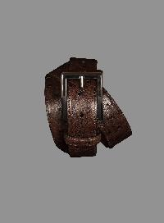 | CAPALBIOSZ_MORO | MooRER | BELT | Accessories | FW | Man
 | DAMIONDUG_DENIM | MooRER | BELT | Accessories | FW | Man
 | NATHANP3_SIGARO | MooRER | BELT | Accessories | FW | Man
 | CALDARAC2_EARTH | MooRER | BELT | Accessories | FW | Man
 | DAMIONDUG_NATURALE | MooRER | BELT | Accessories | FW | Man
 | FARONIR_BURNTORANGE | MooRER | BELT | Accessories | FW | Man
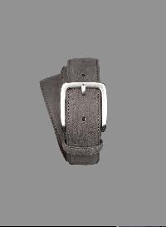 | NATHANP3_GRIGIO | MooRER | BELT | Accessories | FW | Man
 | ARKEL104P5_LIGHTDENIM | MooRER | BELT | Accessories | FW | Man
 | CREDITCARDCASETLL_NERO | MooRER | CARD CASE | Accessories | FW | Man
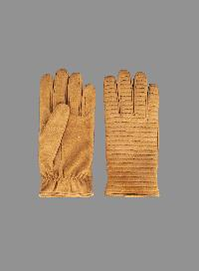 | BASTIANSCW_BLUE | MooRER | GLOVES | Accessories | FW | Man
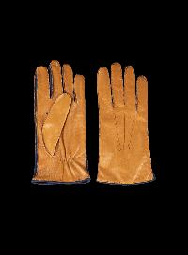 | CLIFTONNCW_CAMELBLUE | MooRER | GLOVES | Accessories | FW | Man
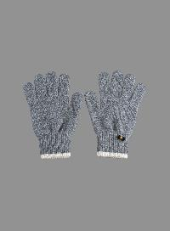 | EASTONCWS_CLOUD | MooRER | GLOVES | Accessories | FW | Man
 | EASTONCWS_MARMARA | MooRER | GLOVES | Accessories | FW | Man
 | EASTONCWS_PEAT | MooRER | GLOVES | Accessories | FW | Man
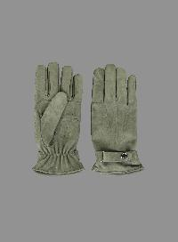 | ELVISKCW_BLUE | MooRER | GLOVES | Accessories | FW | Man
 | ELVISKCW_VERDE | MooRER | GLOVES | Accessories | FW | Man
 | GUANTOTOUCHTVCUR_NERO | MooRER | GLOVES | Accessories | FW | Man
 | GUANTOVENDER_MORO | MooRER | GLOVES | Accessories | FW | Man
 | NARTONP2_BLUE | MooRER | GLOVES | Accessories | FW | Man
 | NARTONP2_GREY | MooRER | GLOVES | Accessories | FW | Man
 | BASTIANSCW_LODEN | MooRER | GLOVES | Accessories | FW | Man
 | EASTONCWS_MINUIT | MooRER | GLOVES | Accessories | FW | Man
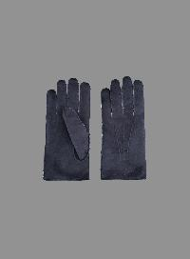 | HIDEKOMOT_IVORY | MooRER | GLOVES | Accessories | FW | Man
 | NARTONP2_MORO | MooRER | GLOVES | Accessories | FW | Man
 | NARTONP2_NERO | MooRER | GLOVES | Accessories | FW | Man
 | BASTIANSCW_CAMEL | MooRER | GLOVES | Accessories | FW | Man
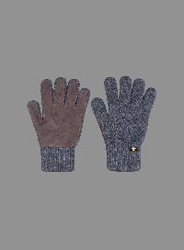 | EASTONCW2_FEATHER | MooRER | GLOVES | Accessories | FW | Man
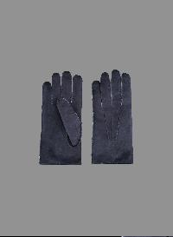 | HIDEKOMOT_NAVY | MooRER | GLOVES | Accessories | FW | Man
 | NARTONP2_OLDGOLD | MooRER | GLOVES | Accessories | FW | Man
 | CLIFTONNCW_MANDARINEDARKBROWN | MooRER | GLOVES | Accessories | FW | Man
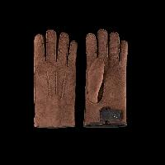 | COURMAYEURMOT_BROWN | MooRER | GLOVES | Accessories | FW | Man
 | EASTONCW2_BELUGA | MooRER | GLOVES | Accessories | FW | Man
 | EASTONCWS_KENSINGTON | MooRER | GLOVES | Accessories | FW | Man
 | HIDEKOMOT_JEANS | MooRER | GLOVES | Accessories | FW | Man
 | HIDEKOMOT_SANTOS | MooRER | GLOVES | Accessories | FW | Man
 | BASTIANSCW_DARKBROWN | MooRER | GLOVES | Accessories | FW | Man
 | NARTONP2_DARKBROWN | MooRER | GLOVES | Accessories | FW | Man
 | DEREKDTW_MORO | MooRER | GLOVES | Accessories | FW | Man
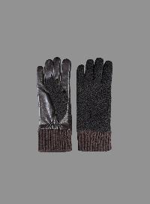 | EMYRSMPE_MORO | MooRER | GLOVES | Accessories | FW | Man
 | GEOFFREYP1_MORO | MooRER | GLOVES | Accessories | FW | Man
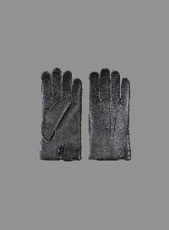 | GEOFFREYP1_NERO | MooRER | GLOVES | Accessories | FW | Man
 | EMYRSMPE_NERO | MooRER | GLOVES | Accessories | FW | Man
 | NARTONP2_CAMEL | MooRER | GLOVES | Accessories | FW | Man
 | EASTONCW2_MASTICE | MooRER | GLOVES | Accessories | FW | Man
 | HIDEKOMOT_MANDARIN | MooRER | GLOVES | Accessories | FW | Man
 | BASTIANSCW_NERO | MooRER | GLOVES | Accessories | FW | Man
 | EASTONCW2_CARBON | MooRER | GLOVES | Accessories | FW | Man
 | HIDEKOMOT_CHESNUT | MooRER | GLOVES | Accessories | FW | Man
 | DEREKDTW_NERO | MooRER | GLOVES | Accessories | FW | Man
 | CLIFTONNCW_MOROTAN | MooRER | GLOVES | Accessories | FW | Man
 | EASTONCW2_CASTAGNO | MooRER | GLOVES | Accessories | FW | Man
 | CLIFTONNCW_TAUPEAVORIO | MooRER | GLOVES | Accessories | FW | Man
 | GIONAGFF_VISONE | MooRER | HAT | Accessories | FW | Man
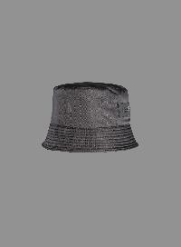 | GIONATAGF_NERO | MooRER | HAT | Accessories | FW | Man
 | ASHERCWS_CLOUD | MooRER | HAT | Accessories | FW | Man
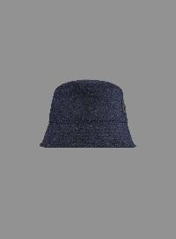 | GIONATAGQ_BLUNAVY | MooRER | HAT | Accessories | FW | Man
 | GIONATAHD_BOSCO | MooRER | HAT | Accessories | FW | Man
 | GIONATAHD_BROWN | MooRER | HAT | Accessories | FW | Man
 | ROBINSONGQ_CAMMELLO | MooRER | HAT | Accessories | FW | Man
 | ROBINSONVES_BIANCO | MooRER | HAT | Accessories | FW | Man
 | ROBINSONVT5_MILITARE | MooRER | HAT | Accessories | FW | Man
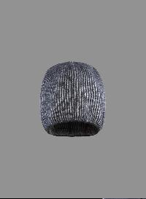 | ASHERCWV_LAVAWHITESATIN | MooRER | HAT | Accessories | FW | Man
 | ROBINSONHD_BROWN | MooRER | HAT | Accessories | FW | Man
 | GIONATAGF_VISONE | MooRER | HAT | Accessories | FW | Man
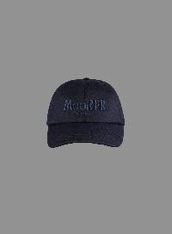 | ROBINSONJT_GRIGIO | MooRER | HAT | Accessories | FW | Man
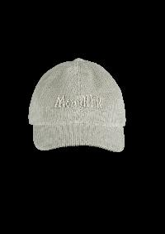 | ROBINSONVT5_PIETRA | MooRER | HAT | Accessories | FW | Man
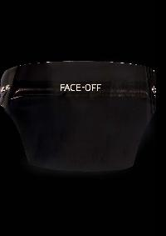 | VISIERAOF_FUMO | MooRER | HAT | Accessories | FW | Man
 | ROBINSONHD_BOSCO | MooRER | HAT | Accessories | FW | Man
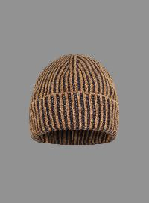 | DAVISWSV_NERODARKGREY | MooRER | HAT | Accessories | FW | Man
 | DAVISWSV_VICUNAMARINE | MooRER | HAT | Accessories | FW | Man
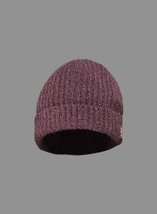 | DAVISCWS_FERN | MooRER | HAT | Accessories | FW | Man
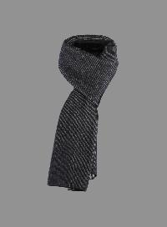 | HOBARTCWV_WHITESATINKENSINGTON | MooRER | SCARF | Accessories | FW | Man
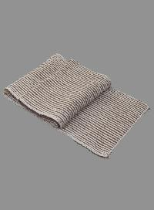 | HOBARTWSV_MILKVISONE | MooRER | SCARF | Accessories | FW | Man
 | AMEDEUSWRS_BLUWHITE | MooRER | SCARF | Accessories | FW | Man
 | ARTHURWH_BEIGE | MooRER | SCARF | Accessories | FW | Man
 | HOBARTCWS_MASTICE | MooRER | SCARF | Accessories | FW | Man
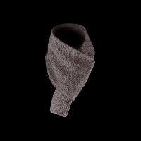 | SOVANACWS_EMBASSY | MooRER | SCARF | Accessories | FW | Man
 | AMBROSEGDS_DENIM | MooRER | SCARF | Accessories | FW | Man
 | AUGUSTINESKS_DEEPBLUE | MooRER | SCARF | Accessories | FW | Man
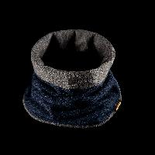 | SCALDACOLLOBICOLORECWS_RANCOONWINDSOR | MooRER | SCARF | Accessories | FW | Man
 | ARTHURWH_DARKBLU | MooRER | SCARF | Accessories | FW | Man
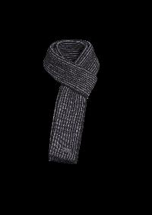 | HOBARTWSV_NERODARKGREY | MooRER | SCARF | Accessories | FW | Man
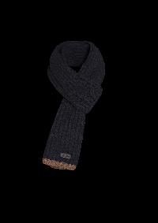 | HOBARTCWS_MINUIT | MooRER | SCARF | Accessories | FW | Man
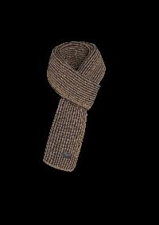 | HOBARTWSV_VICUNAMARINE | MooRER | SCARF | Accessories | FW | Man
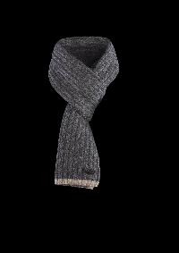 | HOBARTCWS_KENSINGTON | MooRER | SCARF | Accessories | FW | Man
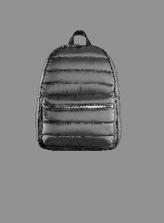 | GERSONS3C_GRIGIO | MooRER | BACKPACK | Bags | FW | Man
 | CREDIDC104_LAV4019 | MooRER | 5 POCKETS DENIM | Clothing | FW | Man
 | JIMKAI_DENIM | MooRER | 5 POCKETS DENIM | Clothing | FW | Man
 | PAVEL104F_LAV4004 | MooRER | 5 POCKETS DENIM | Clothing | FW | Man
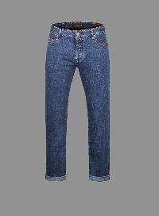 | PAVEL998_WASH2007 | MooRER | 5 POCKETS DENIM | Clothing | FW | Man
 | PILONDC107_WASH4005 | MooRER | 5 POCKETS DENIM | Clothing | FW | Man
 | PILONDRL_MATTONE | MooRER | 5 POCKETS DENIM | Clothing | FW | Man
 | PILONPS701LAV4018_WASHING4018 | MooRER | 5 POCKETS DENIM | Clothing | FW | Man
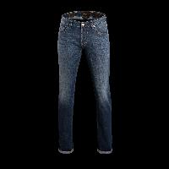 | GIOTTODC102_LAV6007 | MooRER | 5 POCKETS DENIM | Clothing | FW | Man
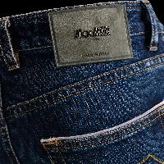 | GIOTTODC104_LAV4019 | MooRER | 5 POCKETS DENIM | Clothing | FW | Man
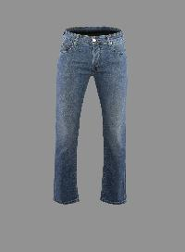 | PAVEL945_DARKWASHED | MooRER | 5 POCKETS DENIM | Clothing | FW | Man
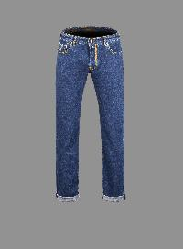 | PAVELDC104_LAV4004 | MooRER | 5 POCKETS DENIM | Clothing | FW | Man
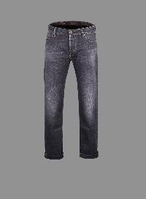 | PAVELDC106_WASHING4013 | MooRER | 5 POCKETS DENIM | Clothing | FW | Man
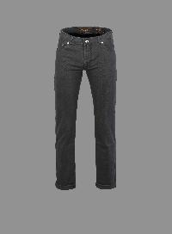 | PAVELDRL_DARKBLU | MooRER | 5 POCKETS DENIM | Clothing | FW | Man
 | SILONE998_WASH2007 | MooRER | 5 POCKETS DENIM | Clothing | FW | Man
 | CREDI945_MEDIUMWASHED | MooRER | 5 POCKETS DENIM | Clothing | FW | Man
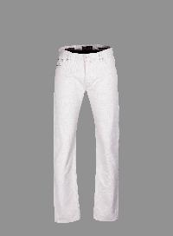 | PAVEL214_ECRU | MooRER | 5 POCKETS DENIM | Clothing | FW | Man
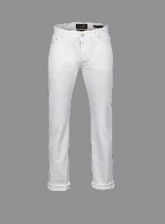 | PAVELBC508_BIANCO | MooRER | 5 POCKETS DENIM | Clothing | FW | Man
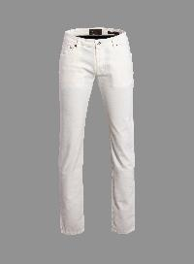 | CREDIDRL_BIANCO | MooRER | 5 POCKETS DENIM | Clothing | FW | Man
 | PAVEL998_REGULARWASHED | MooRER | 5 POCKETS DENIM | Clothing | FW | Man
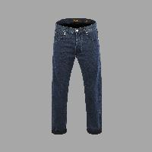 | SILONESEL_DARKWASHED | MooRER | 5 POCKETS DENIM | Clothing | FW | Man
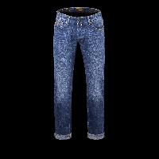 | CREDIDC104_LAV4009 | MooRER | 5 POCKETS DENIM | Clothing | FW | Man
 | PILONDC104_LAV.4021 | MooRER | 5 POCKETS DENIM | Clothing | FW | Man
 | PILONDC103_WASH2006 | MooRER | 5 POCKETS DENIM | Clothing | FW | Man
 | PAVELVRL_FOREST | MooRER | 5 POCKETS DENIM | Clothing | FW | Man
 | CREDIVRL_FOREST | MooRER | 5 POCKETS DENIM | Clothing | FW | Man
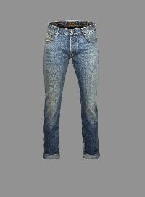 | CREDIDC107_WASH2007 | MooRER | 5 POCKETS DENIM | Clothing | FW | Man
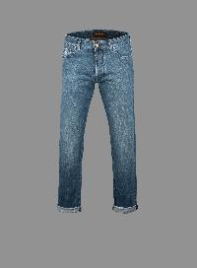 | SILONEK10_LIGHTDENIM | MooRER | 5 POCKETS DENIM | Clothing | FW | Man
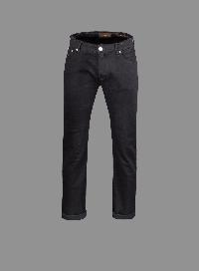 | CREDI919WASHINGW1_WASHINGW1 | MooRER | 5 POCKETS DENIM | Clothing | FW | Man
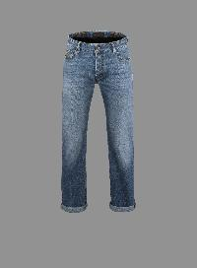 | PAVELDC107_WASH7007 | MooRER | 5 POCKETS DENIM | Clothing | FW | Man
 | PAVELPS709_LAV5069 | MooRER | 5 POCKETS DENIM | Clothing | FW | Man
 | PAVELDC107_WASH2007 | MooRER | 5 POCKETS DENIM | Clothing | FW | Man
 | CREDIDC107_WASH6017 | MooRER | 5 POCKETS DENIM | Clothing | FW | Man
 | PAVELSMR_BURNTORANGE | MooRER | 5 POCKETS DENIM | Clothing | FW | Man
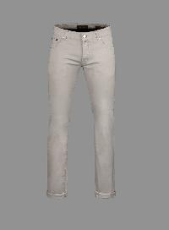 | CREDISEC_PEARL | MooRER | 5 POCKETS DENIM | Clothing | FW | Man
 | PAVELSMR_MORO | MooRER | 5 POCKETS DENIM | Clothing | FW | Man
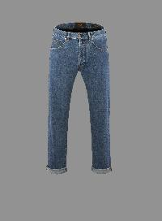 | SILONE358_REGULARWASHED | MooRER | 5 POCKETS DENIM | Clothing | FW | Man
 | PAVELSMR_SENAPE | MooRER | 5 POCKETS DENIM | Clothing | FW | Man
 | CREDISEC_DENIM | MooRER | 5 POCKETS DENIM | Clothing | FW | Man
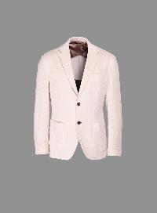 | AUDLEYU08_BLUNAVY | MooRER | BLAZER | Clothing | FW | Man
 | AUDLEYU08_LIGHTBEIGE | MooRER | BLAZER | Clothing | FW | Man
 | ASTARTEP_NERO | MooRER | BOMBER | Clothing | FW | Man
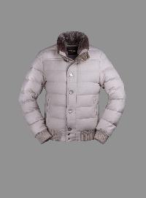 | AUDENIOBA1_LIGHTBEIGE | MooRER | BOMBER | Clothing | FW | Man
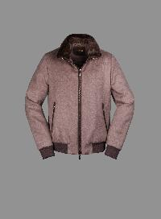 | BELLATILS9_NUT | MooRER | BOMBER | Clothing | FW | Man
 | BRIGNOCL_GHIACCIO | MooRER | BOMBER | Clothing | FW | Man
 | CAMPIGLIOMFM_MORO | MooRER | BOMBER | Clothing | FW | Man
 | CANDIANIFURURH_MORO | MooRER | BOMBER | Clothing | FW | Man
 | CASCIANOTXPOKP_BROWN | MooRER | BOMBER | Clothing | FW | Man
 | CATTANEOS3C_NERO | MooRER | BOMBER | Clothing | FW | Man
 | CATTANEOS3R_PIOMBO | MooRER | BOMBER | Clothing | FW | Man
 | CLIFWCO_BEAVER | MooRER | BOMBER | Clothing | FW | Man
 | CLINT106S_NERO | MooRER | BOMBER | Clothing | FW | Man
 | CROSSME_FUMO | MooRER | BOMBER | Clothing | FW | Man
 | DAKARP2_NERO | MooRER | BOMBER | Clothing | FW | Man
...

